GPIO Reduction Circuit
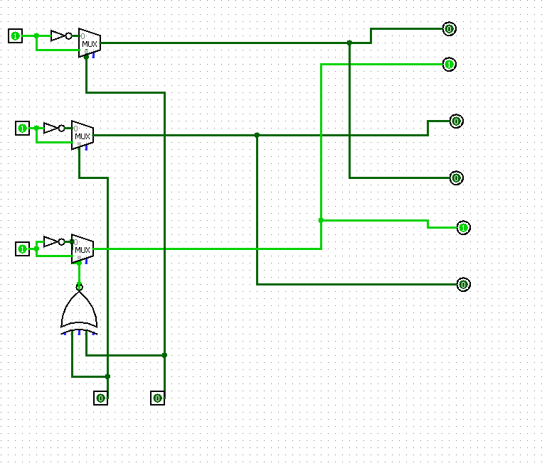

Description:
 | The inputs are the two terminals at the bottom. These inputs will control
the multiplexors which are connected to to the positive rail of the microcontroller.
These two inputs will select the appropriate outputs shown below:

 | GPIO 1: | GPIO 2: | A: | B: | C: | Stage:
 | 0 | 0 | 1 | 0 | HIGH Z | 3
 | 0 | 1 | HIGH Z | 1 | 0 | 1
 | 1 | 0 | 0 | HIGH Z | 1 | 2
 | 1 | 1 | N/A | N/A | N/A | N/A

Logic per State (V1)
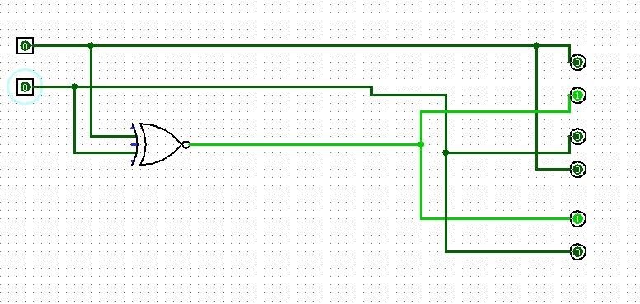
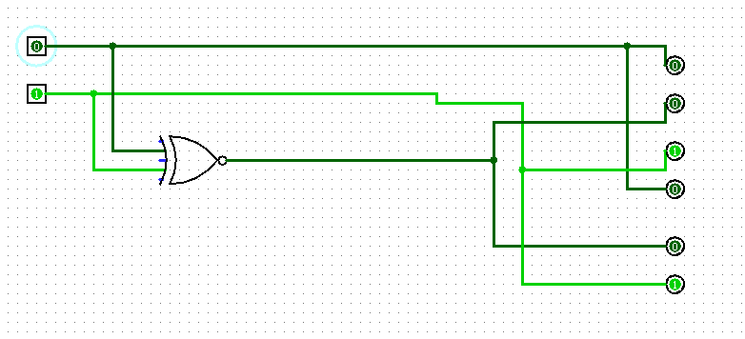
State 1 (A->B) |  | State 2 (B->C)
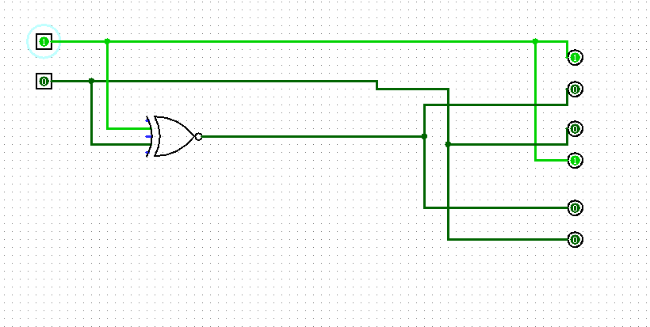

 | State 3 (C -> A)

Logic per State (V2)
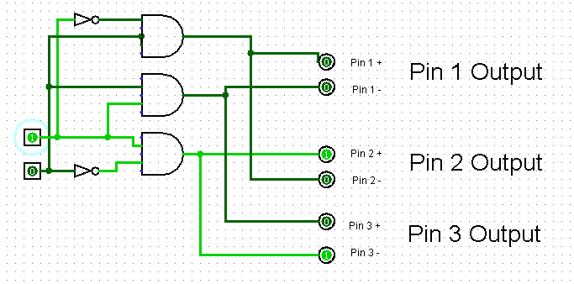
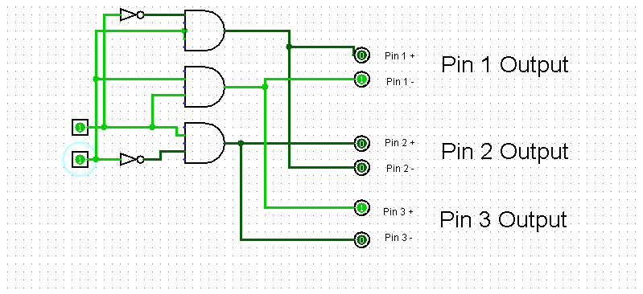
High Z Mode: | State 1 (Pin 1->Pin2):
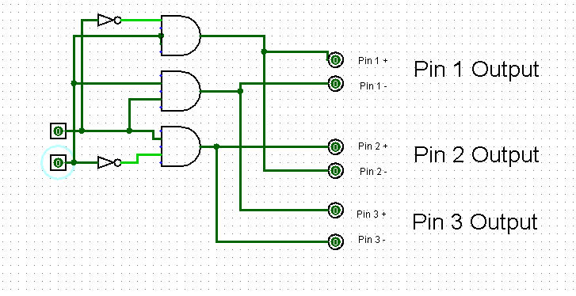
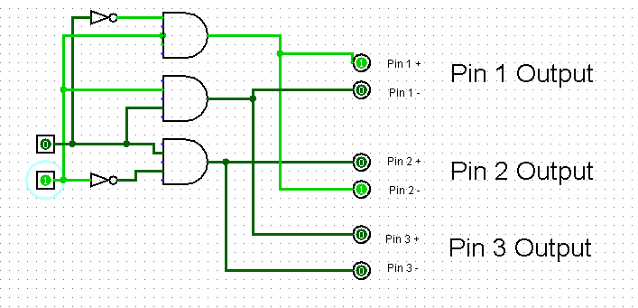

State 2 (Pin 2 -> Pin 3): | State 3 (Pin 3 -> Pin 1):

State Machine
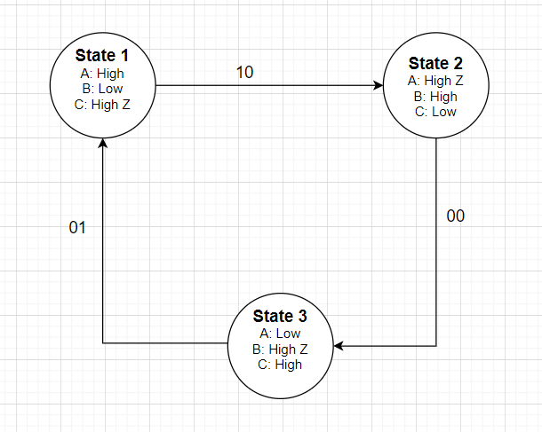

Motor Phase Diagram
